GBP British Pound
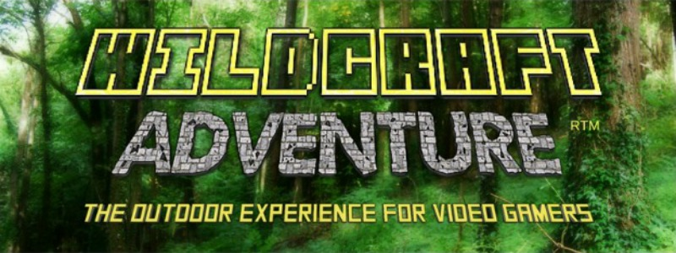 |  | If you're an outdoor activity leader who works with kids, running Wildcraft Adventure™ events is a proven way to target a new audience, expand your reach and engage todays kids in nature using a theme they will instantly recognise. Woodland Classroom have reached hundreds of children with Wildcraft Adventure™ and received 100% positive feedback from kids and parents.
CALCULATE THE RETURN ON YOUR INVESTMENT
You can use this simple spreadsheet to calculate how quickly you can make back the money paid out for the Wildcraft Adventure™ Pack. Just change the numbers in the yellow boxes: My Ticket Price, No. of Kids Per Day and No. of Event Days to suit your requirements. The calculator will do the rest. Easy!
Cost of Wildcraft Adventure™ Pack: |  | Level 1 | £197.00 |  | WANT TO CONVERT TO $$ US DOLLARS? $$
 |  | Level 2 | £297.00
 |  | Level 3 | £697.00

My Ticket Price | No. of Kids Per Day | No. of Event Days | Total Income |  | JUST CLICK HERE to go to xe.com
£35.00 | 20 | 3 | £2,100.00

Total Income Generated, less cost of Wildcraft Adventure™ Pack: |  |  | Level 1 | £1,903.00
 |  |  | Level 2 | £1,803.00
 |  |  | Level 3 | £1,403.00

Please Note: The example figures given in the yellow boxes are from the actual business model used for many successful Wildcraft Adventure™ events run by Woodland Classroom in the United Kingdom.

To grab your copy of the Wildcraft Adventure Pack - CLICK HERE!

Copyright 2023 Woodland Classroom. All Rights Reserved.

